Logo
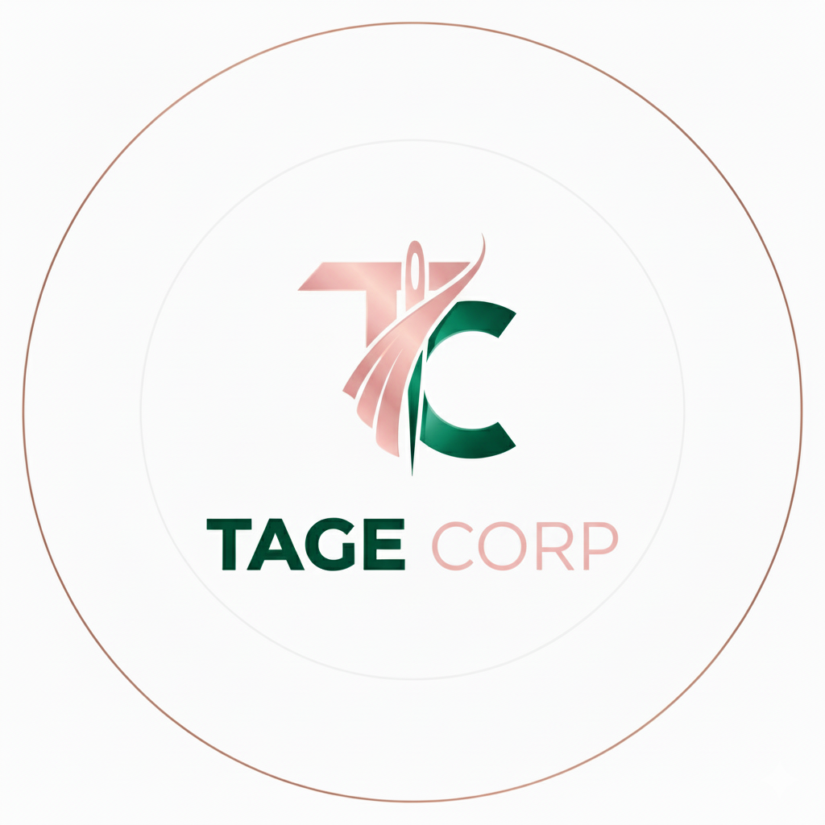

Cover Page
 | Company |  | Tage Corp
 | Business Industry |  | Fashion
 | Business Location |  | Nigeria

Tage is a clothing brand dedicated to creating modest, classy and timeless clothing.
Our designs blend creativity with elegant simplicity, ensuring that each piece is stylish yet versatile.
We focus on quality craftsmanship, premium fabrics, and enduring designs that outlive fast fashion trends.
 | Business Description

Table of Content
 | Inputs & Calculation
 |  | Inputs/Assumption
 |  | Calculation

 | Output & Analysis
 |  | Income Statement
 |  | Balance Sheet
 |  | Cashflow Statement
 |  | Analysis
 |  | DCF Valuation

